Widgets Showcase
THANK YOU FOR DOWNLOADING THE "PROOF OF CONCEPT" VERSION OF THE EXCEL DASHBOARD WIDGETS SPREADSHEET
Note: This free version of the dashboard is presented as a "proof of concept" sufficient enough to help you make a decision as to whether you would
like to purchase the commercial version for 39 USD$ which is fully unlocked and can be freely used throughout your organization with a single license.
Unfortunately, we needed to protect parts of our intellectual property and as a result some parts of this free version of the Excel Dashboard Widgets Spreadsheet are locked.

© www.ExcelDashboardWidgets.com
Press F9 to update widgets with random data!

 |  |  |  |  |  |  |  |  |  | LIGHT COLOR SCHEME | DARK COLOR SCHEME
A) Linear Dial Widget Configuration Data
 | y
96.7 | 17.8
50.7 | -1.9
49.3 | 1.9
96.7 | 17.8
50.0 | 0.0
 | y
96.7 | 17.8
50.7 | -1.9
49.3 | 1.9
96.7 | 17.8
50.0 | 0.0
0.0
20.0
40.0
60.0
80.0
100.0
x 1,000,000 Widgets / Day
Daily Widget Demand
88.4

Widget Main Title |  |  |  | Daily Widget Demand

Widget Units |  |  |  | x 1,000,000 Widgets / Day

Actual Value |  |  |  | 88.4

Minimum Value |  |  |  | 0.0

Maximum Value |  |  |  | 100.0

B) Circular Dial Widget Type #1 Configuration Data
 | 67.8
 | 15.2
 | 67.8
 | 15.2
x 1,000,000 Widgets / Day
Daily Widget Demand
68
83
82%

Widget Main Title |  |  |  | Daily Widget Demand

Widget Units |  |  |  | x 1,000,000 Widgets / Day

Actual Value |  |  |  | 67.8 | 15

Total Value |  |  |  | 83.0

C) Circular Dial Widget Type #2 Configuration Data
 | 17.2
 | 65.8
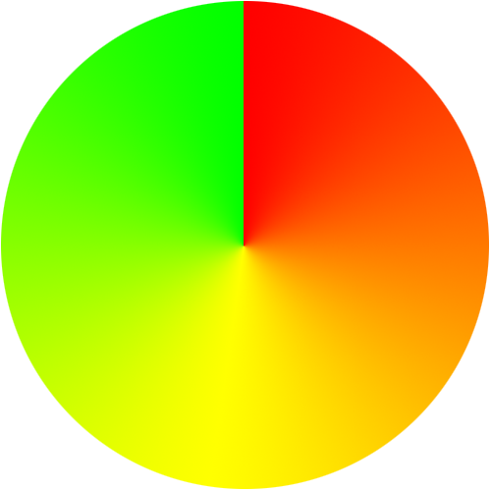
 | 17.2
 | 65.8
x 1,000,000 Widgets / Day
Daily Widget Demand
21%

Widget Main Title |  |  |  | Daily Widget Demand

Widget Units |  |  |  | x 1,000,000 Widgets / Day

Actual Value |  |  |  | 17.2

Total Value |  |  |  | 83.0

D) Non-Linear Dial Widget Configuration Data
 | y
99.7 | 5.9
50.2 | -2.0
49.8 | 2.0
99.7 | 5.9
50.0 | 0.0
 | y
99.7 | 5.9
50.2 | -2.0
49.8 | 2.0
99.7 | 5.9
50.0 | 0.0
0.0
0.8
2.8
5.5
7.3
Q1
Q2
Q3
Q4
x millions USD$
Sales YTD (Target: $7.3m)
7.0

Widget Main Title |  |  |  | Sales YTD (Target: $7.3m)

Widget Units |  |  |  | x millions USD$

Actual Value |  |  |  | 7.0 |  | Scale2 |  |  | 2.8

ScaleMin |  |  |  | 0.0 |  | Scale3 |  |  | 5.5

Scale1 |  |  |  | 0.8 |  | ScaleMax |  |  | 7.3

E) Thermometer Widget Configuration Data
 | 8.5%
 | 8.5%
8%
Daily Widget Outlook
8.5%
ò

Widget Main Title |  |  |  | Daily Widget Outlook

Widget Units |  |  |  | x 1,000,000 Widgets / Day

Actual Value |  |  |  | 8.5%

Minimum Value |  |  |  | 0%

Maximum Value |  |  |  | 100%

F) Equalizer Widget Configuration Data
||||||||||
0
1000
Sales Volume
(Target vs Actual)
|
||||
||||||||
||||||||
||||||||||
||||||||||
||||||||||
|
||||||||||
||
|
Q1
Q2
Q3
Q4
0
1000
x millions USD$
837
300
614
605
737
747
838
924

Widget Main Title |  |  |  | Sales YTD (Target: $7.3m)

ScaleMin |  |  |  | 0 |  | ScaleMax |  |  | 1000

Q1 Target |  |  |  | 837 |  | Q1 Actual |  |  | 300

Q2 Target |  |  |  | 614 |  | Q2 Actual |  |  | 605

Q3 Target |  |  |  | 737 |  | Q3 Actual |  |  | 747

Q4 Target |  |  |  | 838 |  | Q4 Actual |  |  | 924

G) Traffic Light Widget Configuration Data
 | y
68.425193498 | 46.481310702
51.859252428 | -0.73700773991
48.140747572 | 0.73700773991
68.425193498 | 46.481310702
50 | 0
l
l
l
l
l
l
l
l
l
l
l
l
l
l
l
l
Weekly Sales vs Targets
NY
CA
FL
TX

Widget Main Title |  |  |  | Weekly Sales vs Targets

Light #1 Value |  |  |  | 37 |  |  | Yellow to Red Value

Light #2 Value |  |  |  | 1 |  |  |  |  | 90

Light #3 Value |  |  |  | 78 |  |  | Green to Yellow Value

Light #4 Value |  |  |  | 30 |  |  |  |  | 70

H) Pie Widget Configuration Data
Blue Widgets | 1,393
Red Widgets | 9,381
Green Widgets | 9,485
Blue Widgets | 1,393
Red Widgets | 9,381
Green Widgets | 9,485
Daily Widget Production
1,393 (6.9%)
9,381 (46.3%)
9,485 (46.8%)

Widget Main Title |  |  |  | Daily Widget Production

Slice #1 Value |  |  |  | Blue Widgets |  |  |  |  | 1393

Slice #2 Value |  |  |  | Red Widgets |  |  |  |  | 9381

Slice #3 Value |  |  |  | Green Widgets |  |  |  |  | 9485

I) Trend Widget Configuration Data
2012-01-01 | 4.00
2012-01-02 | 4.05
2012-01-03 | 4.28
2012-01-04 | 4.32
2012-01-05 | 4.55
2012-01-06 | 4.70
2012-01-07 | 5.09
2012-01-08 | 4.86
2012-01-09 | 4.72
2012-01-10 | 4.71
2012-01-11 | 4.71
2012-01-12 | 4.65
2012-01-13 | 4.97
2012-01-14 | 4.82
2012-01-15 | 4.52
2012-01-16 | 4.85
2012-01-17 | 5.47
2012-01-18 | 5.29
2012-01-19 | 5.26
2012-01-20 | 5.95
2012-01-21 | 6.21
2012-01-22 | 6.41
2012-01-23 | 7.11
2012-01-24 | 7.17
2012-01-25 | 7.16
2012-01-26 | 7.54
2012-01-27 | 7.29
2012-01-28 | 7.08
2012-01-29 | 7.33
2012-01-30 | 7.16
2012-01-31 | 7.33
2012-02-01 | 8.02
2012-02-02 | 8.45
2012-02-03 | 8.97
2012-02-04 | 9.00
2012-02-05 | 9.49
2012-02-06 | 9.56
2012-02-07 | 9.57
2012-02-08 | 10.12
2012-02-09 | 9.84
2012-02-10 | 10.18
2012-02-11 | 10.77
2012-02-12 | 10.74
2012-02-13 | 11.35
2012-02-14 | 11.98
2012-02-15 | 11.71
2012-02-16 | 12.38
2012-02-17 | 12.89
2012-02-18 | 13.53
2012-02-19 | 14.18
...
2012-01-01 | 4.00
2012-01-02 | 4.05
2012-01-03 | 4.28
2012-01-04 | 4.32
2012-01-05 | 4.55
2012-01-06 | 4.70
2012-01-07 | 5.09
2012-01-08 | 4.86
2012-01-09 | 4.72
2012-01-10 | 4.71
2012-01-11 | 4.71
2012-01-12 | 4.65
2012-01-13 | 4.97
2012-01-14 | 4.82
2012-01-15 | 4.52
2012-01-16 | 4.85
2012-01-17 | 5.47
2012-01-18 | 5.29
2012-01-19 | 5.26
2012-01-20 | 5.95
2012-01-21 | 6.21
2012-01-22 | 6.41
2012-01-23 | 7.11
2012-01-24 | 7.17
2012-01-25 | 7.16
2012-01-26 | 7.54
2012-01-27 | 7.29
2012-01-28 | 7.08
2012-01-29 | 7.33
2012-01-30 | 7.16
2012-01-31 | 7.33
2012-02-01 | 8.02
2012-02-02 | 8.45
2012-02-03 | 8.97
2012-02-04 | 9.00
2012-02-05 | 9.49
2012-02-06 | 9.56
2012-02-07 | 9.57
2012-02-08 | 10.12
2012-02-09 | 9.84
2012-02-10 | 10.18
2012-02-11 | 10.77
2012-02-12 | 10.74
2012-02-13 | 11.35
2012-02-14 | 11.98
2012-02-15 | 11.71
2012-02-16 | 12.38
2012-02-17 | 12.89
2012-02-18 | 13.53
2012-02-19 | 14.18
...
Daily Widget Production

Widget Main Title |  |  |  | Daily Widget Production

Note: The data for this widget can be found in the
Widget Showcase Calcs page.

J) Up/Down Widget Configuration Data
Monthly Salary Expenditure
$ 734,455
0.1%
p

Widget Main Title |  |  |  | Monthly Salary Expenditure

Widget Value |  |  |  | 734,455

Previous Value |  |  |  | 734,056

Widget Percent |  |  |  | 0.1%

K) Percent Change Widget Configuration Data

 | Up | Down
 | 1 | #N/A
 | Up | Down
0 | 1 | #N/A
-5%
637
UNIQUE VISITORS
Daily Visitors

Widget Main Title |  |  |  | Daily Visitors

Widget Sub-Title |  |  |  | UNIQUE VISITORS

Widget Value |  |  |  | 637

Previous Value |  |  |  | 667

L) Funnel Widget Configuration Data
0-20 | -17 | 17
20-30 | -49 | 53
30-40 | -47 | 54
40-50 | -29 | 27
50-60 | -24 | 34
60-70 | -14 | 8
0-20 | -17 | 17
20-30 | -49 | 53
30-40 | -47 | 54
40-50 | -29 | 27
50-60 | -24 | 34
60-70 | -14 | 8
Workforce Sex / Age Breakdown
Male
Female

Ages |  | Male |  |  | Female

0-20 |  | 17 |  |  | 17

20-30 |  | 49 |  |  | 53

30-40 |  | 47 |  |  | 54

40-50 |  | 29 |  |  | 27

50-60 |  | 24 |  |  | 34

60-70 |  | 14 |  |  | 8

M) Dots Widget Configuration Data
llll
lllll
Staff Retention
lllll
lllll
lllll
lllll
lllll
lllll
lllll
lllll
l
2009
lllll
lllll
lllll
lllll
lllll
lllll
lllll
lllll
l
llll
lllll
2010
lllll
lllll
lllll
lllll
lllll
lllll
lllll
lllll
lllll
lllll
2011
81.1%
81.1%
80.8%
llll
lllll

Widget Main Title |  |  |  | Staff Retention

Percentage #1 |  |  |  | 81.1%

Percentage #2 |  |  |  | 81.1%

Percentage #3 |  |  |  | 80.8%

N) World Map Widget
 |  | 60.8 | 60.8
 |  | 60.8 | 60.8
q
15°C / 59°F
Brussels

 | ad
Select a Destination

 |  |  |  |  | Brussels

O) Gender Breakdown Widget Configuration Data
 | Up | Down
 | #N/A | 1
 | Up | Down
0 | 1 | #N/A
 | Up | Down
 | #N/A | 1
 | Up | Down
0 | 1 | #N/A
+30%
51%
MALE
-30%
49%
FEMALE
Workforce Breakdown

Widget Main Title |  |  |  | Workforce Breakdown

Female Value |  |  |  | 49%

Previous Value |  |  |  | 79%

Male Value |  |  |  | 51%

Previous Value |  |  |  | 21%

P) Female Percentage Widget Configuration Data
 | Up | Down
 | 1 | #N/A

 | Up | Down
 | 1 | #N/A
-30%
49%
Female Percentage

Widget Main Title |  |  |  | Female Percentage

Female Value |  |  |  | 49%

Previous Value |  |  |  | 79%

Q) Male Percentage Widget Configuration Data
 | Up | Down
 | #N/A | 1

 | Up | Down
 | #N/A | 1
+30%
51%
Male Percentage

Widget Main Title |  |  |  | Male Percentage

Male Value |  |  |  | 51%

Previous Value |  |  |  | 21%

R) Radar Widget Configuration Data

 | 10 | 10 | 10 | 10 | 10 | 10 | 10 | 10 | 0 | 0
 | 0 | 0 | 0 | 0 | 0 | 0 | 0 | 0 | 10 | 10
 | 10 | 10 | 10 | 0 | 0 | 0 | 0 | 0 | 0 | 0
 | 0 | 0 | 0 | 10 | 10 | 10 | 10 | 10 | 10 | 10
 | 10 | 10 | 10 | 10 | 10 | 0 | 0 | 0 | 0 | 0
 | 0 | 0 | 0 | 0 | 0 | 10 | 10 | 10 | 10 | 10
 | 10 | 10 | 10 | 10 | 10 | 10 | 0 | 0 | 0 | 0
 | 0 | 0 | 0 | 0 | 0 | 0 | 10 | 10 | 10 | 10
 | 10 | 10 | 10 | 10 | 10 | 10 | 0 | 0 | 0 | 0
 | 0 | 0 | 0 | 0 | 0 | 0 | 10 | 10 | 10 | 10
 | 10 | 10 | 10 | 10 | 10 | 0 | 0 | 0 | 0 | 0
 | 0 | 0 | 0 | 0 | 0 | 10 | 10 | 10 | 10 | 10
 | 10 | 10 | 10 | 10 | 0 | 0 | 0 | 0 | 0 | 0
 | 0 | 0 | 0 | 0 | 10 | 10 | 10 | 10 | 10 | 10
 | 10 | 10 | 10 | 10 | 10 | 10 | 10 | 10 | 0 | 0
 | 0 | 0 | 0 | 0 | 0 | 0 | 0 | 0 | 10 | 10
8
Sensitivity
4
Vision
5
Adaptability
6
 | 10 | 10 | 10 | 10 | 10 | 10 | 10 | 10 | 0 | 0
 | 0 | 0 | 0 | 0 | 0 | 0 | 0 | 0 | 10 | 10
 | 10 | 10 | 10 | 0 | 0 | 0 | 0 | 0 | 0 | 0
 | 0 | 0 | 0 | 10 | 10 | 10 | 10 | 10 | 10 | 10
 | 10 | 10 | 10 | 10 | 10 | 0 | 0 | 0 | 0 | 0
 | 0 | 0 | 0 | 0 | 0 | 10 | 10 | 10 | 10 | 10
 | 10 | 10 | 10 | 10 | 10 | 10 | 0 | 0 | 0 | 0
 | 0 | 0 | 0 | 0 | 0 | 0 | 10 | 10 | 10 | 10
 | 10 | 10 | 10 | 10 | 10 | 10 | 0 | 0 | 0 | 0
 | 0 | 0 | 0 | 0 | 0 | 0 | 10 | 10 | 10 | 10
 | 10 | 10 | 10 | 10 | 10 | 0 | 0 | 0 | 0 | 0
 | 0 | 0 | 0 | 0 | 0 | 10 | 10 | 10 | 10 | 10
 | 10 | 10 | 10 | 10 | 0 | 0 | 0 | 0 | 0 | 0
 | 0 | 0 | 0 | 0 | 10 | 10 | 10 | 10 | 10 | 10
 | 10 | 10 | 10 | 10 | 10 | 10 | 10 | 10 | 0 | 0
 | 0 | 0 | 0 | 0 | 0 | 0 | 0 | 0 | 10 | 10
8
Sensitivity
4
Vision
5
Adaptability
6
Personal Drive
7
Negotiation Skills
6
Decision Making
3
Listening Skills
9
Leadership Skills
Competency Matrix
Main Title |  |  | Competency Matrix

 |  |  | Leadership Skills |  |  |  |  | Value | 9

 |  |  | Listening Skills |  |  |  |  | Value | 3

 |  |  | Decision Making |  |  |  |  | Value | 6

 |  |  | Negotiation Skills |  |  |  |  | Value | 7

 |  |  | Personal Drive |  |  |  |  | Value | 6

 |  |  | Adaptability |  |  |  |  | Value | 5

 |  |  | Vision |  |  |  |  | Value | 4

 |  |  | Sensitivity |  |  |  |  | Value | 8

Example Dashboard Page
© www.ExcelDashboardWidgets.com
Note: Press F9 to update!
ACME Operations

Executive Dashboard
July 15th 2011

Northern Region

 | y
3.8 | 19.2
50.8 | 1.8
49.2 | -1.8
3.8 | 19.2
50.0 | 0.0
x 1,000,000 Widgets / Day
Daily Widget Demand
0.0
2.0
4.0
6.0
8.0
10.0
1.3
Daily Widget Production
 | 59.7%
60%
Daily Widget Outlook
59.7%

 | y
66.7 | 47.1
51.9 | -0.7
48.1 | 0.7
66.7 | 47.1
50.0 | 0.0

20.0
30.0
ñ

10.0
40.0

0.0
30.4
50.0

x 1,000,000 Widgets / Day

Southern Region

 | y
75.7 | 42.9
51.7 | -1.0
48.3 | 1.0
75.7 | 42.9
50.0 | 0.0
x 1,000,000 Widgets / Day
Daily Widget Demand
0.0
2.0
4.0
6.0
8.0
10.0
6.7
 | y
58.2 | 49.3
52.0 | -0.3
48.0 | 0.3
58.2 | 49.3
50.0 | 0.0
x 1,000,000 Widgets / Day
Daily Widget Demand
0.0
10.0
20.0
30.0
40.0
50.0
27.6
 | 62.8%
63%
Daily Widget Demand
62.8%

ñ

Eastern Region

 | 45.9%
46%
Daily Widget Demand
45.9%
 | y
7.8 | 26.9
51.1 | 1.7
48.9 | -1.7
7.8 | 26.9
50.0 | 0.0
x 1,000,000 Widgets / Day
Daily Widget Demand
0.0
2.0
4.0
6.0
8.0
10.0
1.8
 | y
3.6 | 18.5
50.7 | 1.9
49.3 | -1.9
3.6 | 18.5
50.0 | 0.0
x 1,000,000 Widgets / Day
Daily Widget Demand
0.0
10.0
20.0
30.0
40.0
50.0
6.0

ò

Western Region

 | y
92.1 | 27.0
51.1 | -1.7
48.9 | 1.7
92.1 | 27.0
50.0 | 0.0
x 1,000,000 Widgets / Day
Daily Widget Demand
0.0
2.0
4.0
6.0
8.0
10.0
8.2
 | y
6.6 | 24.9
51.0 | 1.7
49.0 | -1.7
6.6 | 24.9
50.0 | 0.0
x 1,000,000 Widgets / Day
Daily Widget Demand
0.0
10.0
20.0
30.0
40.0
50.0
8.3
 | 52.0%
52%
Daily Widget Demand
52.0%

ñ

Example Dashboard Conf Page
© www.ExcelDashboardWidgets.com

PURCHASE
REGISTER
 | THANK YOU FOR DOWNLOADING THE EXCEL DASHBOARD WIDGETS SPREADSHEET
 | 1. This is the free version of the www.ExcelDashboardWidgets.com dashboard template.
 | 2. If you intend to use any part of this template for commercial uses you must purchase a single user license here.
USER FORUM
 | 3. To enter your own data below, first register on the forum, then go to the downloads page to see your activation code.
 | 4. Please feel free to give your feedback or wishlist for improvement on our user's forum here.

Microsoft Excel Dashboard Configuration Panel |  |  |  |  |  | Enter Registered Email Address Here…

Link to an external spreadsheet or directly enter data for each of your dashboard widgets here….. |  |  |  |  | O

 | 1st Dashboard Dial Configuration |  | 2nd Dashboard Dial Configuration |  |  | 1st Dashboard Themometer Configuration

 | Dial Main Title | Daily Widget Demand | Dial Main Title | Daily Widget Production |  | Dial Main Title | Daily Widget Outlook

 | Dial Units | x 1,000,000 Widgets / Day | Dial Units | x 1,000,000 Widgets / Day |  | Dial Units | x 1,000,000 Widgets / Day

 | Actual Value | 9.0 | Actual Value | 22.0 |  | Actual Value | 86.0%

 | Minimum Value | 0.0 | Minimum Value | 0.0 |  | Minimum Value | 0.0

 | Maximum Value | 10.0 | Maximum Value | 50.0 |  | Maximum Value | 100.0

 | 3rd Dashboard Dial Configuration |  | 4th Dashboard Dial Configuration |  |  | 2nd Dashboard Themometer Configuration

 | Dial Main Title | Daily Widget Demand | Dial Main Title | Daily Widget Production |  | Dial Main Title | Daily Widget Outlook

 | Dial Units | x 1,000,000 Widgets / Day | Dial Units | x 1,000,000 Widgets / Day |  | Dial Units | x 1,000,000 Widgets / Day

 | Actual Value | 8.0 | Actual Value | 34.0 |  | Actual Value | 80.7%

 | Minimum Value | 0.0 | Minimum Value | 0.0 |  | Minimum Value | 0.0

 | Maximum Value | 10.0 | Maximum Value | 50.0 |  | Maximum Value | 100.0

 | 5th Dashboard Dial Configuration |  | 6th Dashboard Dial Configuration |  |  | 3rd Dashboard Themometer Configuration

 | Dial Main Title | Daily Widget Demand | Dial Main Title | Daily Widget Production |  | Dial Main Title | Daily Widget Outlook

 | Dial Units | x 1,000,000 Widgets / Day | Dial Units | x 1,000,000 Widgets / Day |  | Dial Units | x 1,000,000 Widgets / Day

 | Actual Value | 7.7 | Actual Value | 7.8 |  | Actual Value | 41.4%

 | Minimum Value | 0.0 | Minimum Value | 0.0 |  | Minimum Value | 0.0

 | Maximum Value | 10.0 | Maximum Value | 50.0 |  | Maximum Value | 100.0

 | 7th Dashboard Dial Configuration |  | 8th Dashboard Dial Configuration |  |  | 4th Dashboard Themometer Configuration

 | Dial Main Title | Daily Widget Demand | Dial Main Title | Daily Widget Production |  | Dial Main Title | Daily Widget Outlook

 | Dial Units | x 1,000,000 Widgets / Day | Dial Units | x 1,000,000 Widgets / Day |  | Dial Units | x 1,000,000 Widgets / Day

 | Actual Value | 9.0 | Actual Value | 39.9 |  | Actual Value | 76.5%

 | Minimum Value | 0.0 | Minimum Value | 0.0 |  | Minimum Value | 0.0

 | Maximum Value | 10.0 | Maximum Value | 50.0 |  | Maximum Value | 100.0

How to Design a Dashboard
How to Design an Excel Based Dashboard Using the Dashboard Widgets Spreadsheet

We recommend that before you jump straight into designing your dashboard in Excel you take a bit of time thinking about what information you want to show and how you want to show it. The following steps should help you prepare your Excel dashboard…

1. Make a list of the key metrics you want to show on your dashboard. Remember the key dashboarding principle of ‘eloquence through simplicity’. Try where possible to group the metrics into thematic areas. For example a Human Resources dashboard might show the following metrics..

Recruitment Metrics | Workforce Metrics | Retention Metrics
□ Number of open positions | □ Workforce breakdown by age | □ Voluntary turnover rate
□ Average cost per recruitment | □ Workforce breakdown by sex | □ Involuntary turnover rate
□ Average days per recruitment | □ Workforce breakdown by grade | □ Average length of service
 | □ Workforce breakdown by department

2. Decide the most meaningful increment of time each of the dashboard metrics will display (current, hourly, daily, weekly, monthly quarterly or annually). You may want to design your dashboard to give you an instantaneous snapshot of the current situation. You may want to update your dashboard once a month for the monthly management meeting. You may even decide to display and compare the same metric over different time increments (for example the current number of open positions compared to the trend over the last year).

3. Decide which dashboard widgets you want to use to display each of your metrics. The following widgets are available (feel free to let us know if you would like us to design more). Try to stick to three or four styles per dashboard.

- Linear Dial Widget
- Non-Linear Dial Widget
- Thermometer Widget
- Equalizer Widget
- Traffic Light Widget
- Pie Widget
- Trend Widget
- Up/Down Widget
- Funnel Widget
- Dots Widget

4. Choose a layout for you widgets. Generally it is good practice that a dashboard should fit on a single landscape screen or single printed sheet of paper (either landscape, portrait). Users should not have to scroll, turn pages, drill-down or recalculate to find the necessary information. The following are example layouts that fit onto a single A4 sheet of paper.

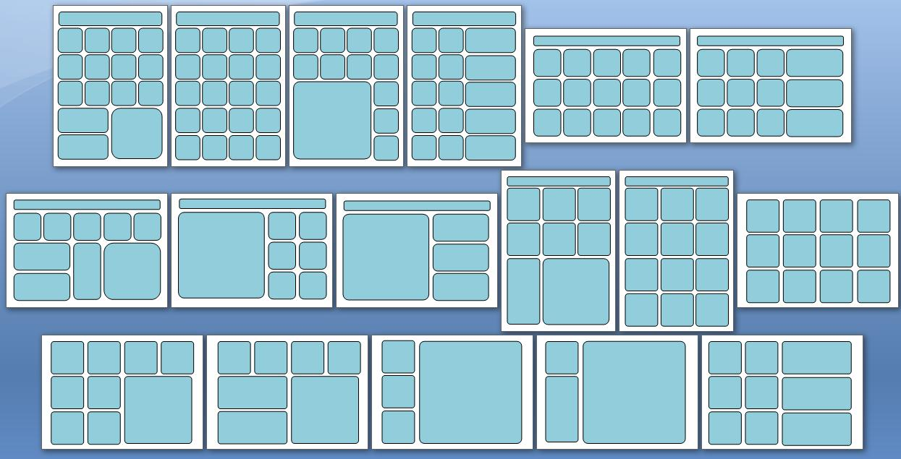

5. Sketch your dashboard out on paper. It is significantly easier to first design a dashboard on paper than to build it straight in Excel.
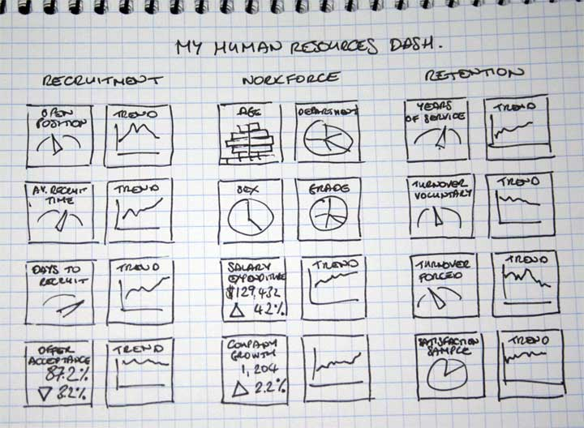

5. Now it’s time to create your dashboard in Excel. Open up a new Excel Dashboard Widgets spreadsheet and set up three new tabs as follows..

Tab #1 – rename as ‘My Dashboard’
Tab #2 – rename as ‘My Configuration Page’
Tab #3 – rename as ‘My Calculations Page’

6. Copy and paste the widgets you want to use from the Excel Dashboard Widgets ‘Widgets Showcase’ Tab onto Tab #1 and arrange them into your required dashboard layout. It is good practice to group the widgets into thematic areas and put the most important metrics on the upper left hand side. Use the cell lines to help you line the widgets up neatly.

7. Copy and paste the configuration tables from the ‘Widgets Showcase’ onto Tab #2 and arrange them in a similar layout to the dashboard layout.

8. Copy and paste the relevant widget calculations tables from the ‘Widget Showcase Calcs’ tab into Tab #3.

9. Now comes the difficult part – you need to link these three tabs together in exactly the same way as the widgets are linked together on the ‘Widgets Showcase’. More information on duplicating widgets can be found here..

http://www.exceldashboardwidgets.com/phpBB3/viewtopic.php?f=7&t=65

10. You may like to configure your own color scheme. More information on duplicating widgets can be found here..

http://www.exceldashboardwidgets.com/phpBB3/viewtopic.php?f=7&t=67

If any of this doesn’t make sense – post a message in the forum and we would be delighted to help you with your dashboard project.

Grab a coffee, take a deep breath and good luck with your dashboard.

DashboardWidgets

Customizing Colors
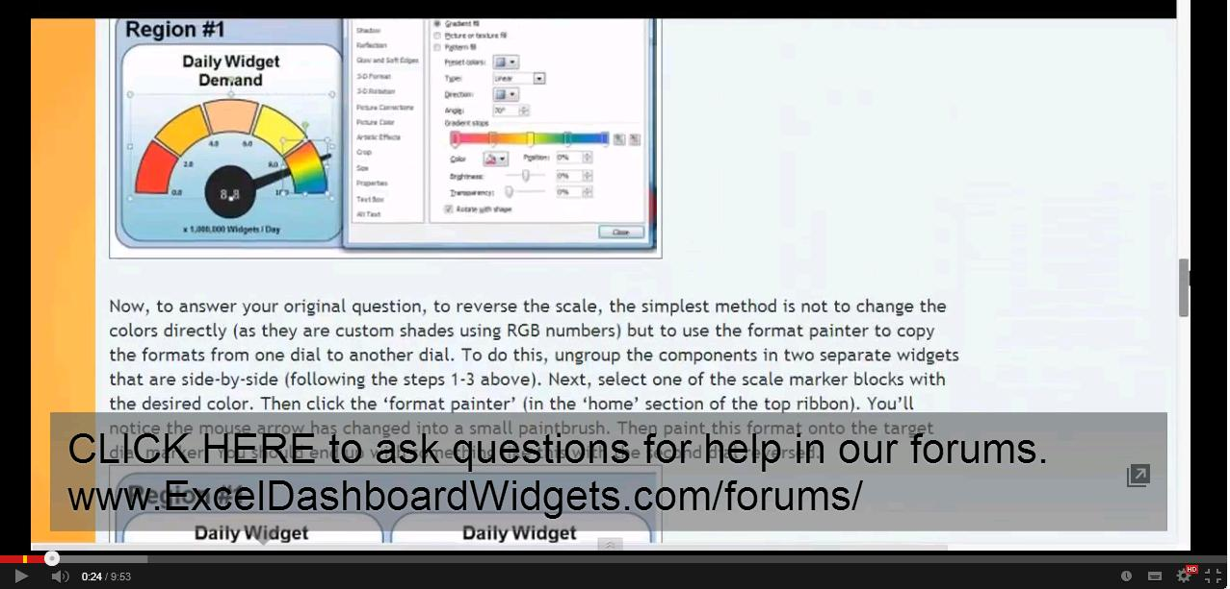
HOW TO CUSTOMIZE THE STYLE AND COLORS OF THE WIDGETS
The shapes used to make up the dashboard widgets can be easily customized using the standard Excel commands for Excel shapes.
Here is an step-by-step guide of how to reverse the colors and customize the colored markers used in the dials..

Step #1
Right-click the curved edge of the dashboard widget you want to customize and select ‘group’ followed by ‘ungroup’.
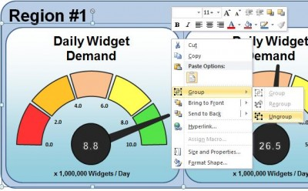
You should now see lots of small boxes showing the sub-components that make up the widget.
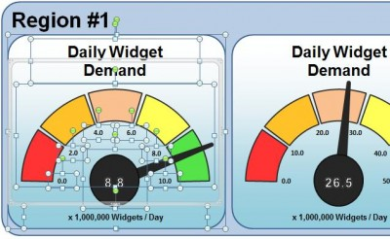
Step #2
Here comes the tricky part – the components are arranged as layers on top of each other (the circle is on top of the dial needle, which is on top of the colored dial markers, which are on top of the backgrounds). To edit the colored dial markers we need to move the needle one layer backwards. To do this, click the needle once then right-click the rectangular edge and choose ‘send to back’ followed by ‘send backward’.
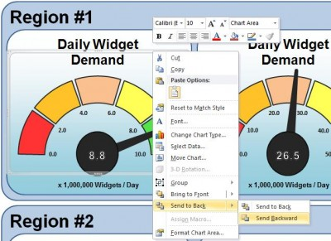
Step #3
Now you'll find that the five colored dial markers are grouped together so we’ll need to ungroup them to change their colors. To do this right-click on the group and choose ‘group’ followed by ‘ungroup’. You should now see five small boxes representing the sub-components of the colored scale.
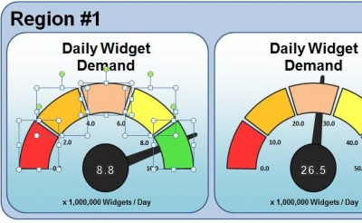
Step #4
To format any of these individual colored blocks, right-click and select ‘format shape’. This will give you the normal Excel suite of customization options including fill colors, transparencies, reflections, gradients, 3d bevels, etc. etc.
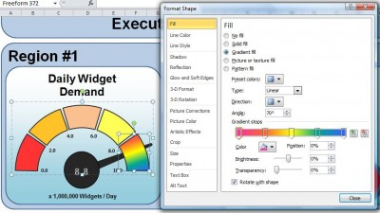
To reverse the scale, the simplest method is not to change the colors directly (as they are custom shades using RGB numbers) but to use the format painter to copy the formats from one dial to another dial. To do this, ungroup the components in two separate widgets that are side-by-side (following the steps 1-3 above). Next, select one of the scale marker blocks with the desired color. Then click the ‘format painter’ (in the ‘home’ section of the top ribbon). You’ll notice the mouse arrow has changed into a small paintbrush. Then paint this format onto the target dial marker. You should end up with something like this with the second dial reversed.

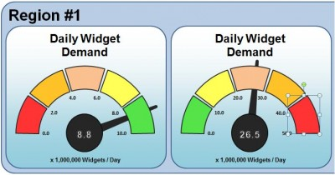
Step #5
You now finally need to reverse steps 1-4 to tidy up your work...

5a) Right-click on one of the colored markers and select ‘group’ followed by ‘group’ in the second menu - to group the markers together into a single component.
5b) Send the markers back one layer (to bring the dial needle forward) by right-clicking and selecting ‘send to back’ followed by ‘send backwards’.
5c) Finally right-click the curved edge of the dashboard widget and re-group all of the sub-components into a single component (this makes it easier to move the dial around as a single widget).

I hope this makes sense and as always, please feel free to ask for clarification on our website forum if you need help.

Good luck with your Excel Dashboard project.

ExcelDashboard Widgets

UPDATE - THERE IS A CLEARER TUTORIAL EXPLAINING HOW TO CHANGE COLOURS ON OUR YOUTUBE PAGE HERE
https://www.youtube.com/watch?v=7JA9VMOl3UQ

How to Purchase
HOW TO PURCHASE THE UNLOCKED VERSION OF THESE EXCEL DASHBOARD WIDGETS

Payment Processing

1. The link for purchasing the unlocked dashboard widgets for 39 USD$ can be found on the lower part of the download page here..
Click HERE to purchase from www.ExcelDashboardWidgets.com
2. The unlocked dashboard spreadsheet and an invoice will be sent to your email account once the payment has been manually verified. Please note that depending upon the timezone this process can take between 2 to 8 hours to complete.

3. Purchase includes access to all the unlocked dashboard example in the commercial license holder's area of the forum

Commercial License

The commercial license is based on 'fair use'. It allows the license holder, or any individuals within the license holder's organization, to use the Excel widgets in any way, shape, or form they choose. The commercial license allows the Excel widgets to be emailed to third party individuals outside of the organization but does not allow third party organizations to extract the widgets and uses them for their own purposes. This exceeds the 'fair use' terms and they must purchase their own separate 39 USD$ commercial license for their organization.

